Sheet1
 |  | Document No. | Issue No. | Issue Date |  | Review and Replace Date |  | Authorised By
 |  | GFF230MC | 1 | 12.10.2020 |  | New Issue |  | Magda Shah
 |  | Document Title | CRISPY BEEF WITH SWEET CHILLI SAUCE 225G
Document amendments reason for change |  | New product launch |  |  | Page 1 of 1 | Previous Issue Date | New Issue | Uncontrolled copy unless signed original

CBSC-R4TEB | BOOTHS AYR |  | CRISPY BEEF WITH SWEET CHILLI SAUCE 225G
STEP 1 |  |  |  |  | STEP 2
 |  |  |  |  | 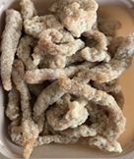

Tray: EVOLVE CPET 2200-2C (PKRHP001-12) |  |  |  |  | British Dry Coated Beef Strips (RMKIM001-02): 110g
Line 1: Mylar 250LAF 250mm x 1000 (PKWRA001-08)
Line 1: K-Peel 75G + AF 25 250mm (PKKMP001-01)
Line 2: Mylar 25OLAF - 380mm wide (PKWRA001-02)
STEP 3 |  |  |  |  | STEP 4
 |  |  |  |  | 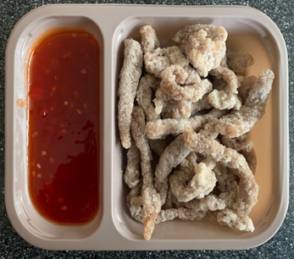

PACK DAY
+ 12 DAYS

Sweet Chill Sauce (GFF109R): 115g |  |  |  |  | TOTAL WEIGHT: 225g

ALLERGY ALERT: Sulphites, Sesame, Wheat

